Sheet1
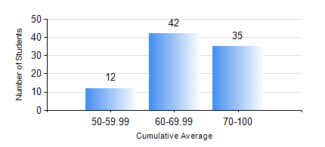
 |  |  | KWAME NKRUMAH UNIVERSITY OF SCIENCE AND TECHNOLOGY, KUMASI Department of Chemical Engineering

 |  |  | BSC. PETROCHEMICAL ENG.

 |  |  | COMPREHENSIVE RECORD OF EXAMINATION RESULTS

 |  |  | RESULTS OF YEAR 4 SECOND SEMESTER, 2021/2022 ACADEMIC YEAR

 | Sn | Course Code |  | Course Name | Credit Hours | Min. Mark | Max. Mark | Avg. Mark | Std. Dev. | No. Passed | No. Trailed | No. (Df) | No. (I) | No. (I*) | No. Tagged(I,I*,Df) | Total
 | 1. | CHE 456 |  | PROCESS CONTROL AND SIMULATION | 3 | 33 | 83 | 59 | 9.99 | 87 | 2 | 0 | 0 | 0 | 0 | 89
 | 2. | CHE 458 |  | ENTREPRENEURSHIP AND BUSINESS DEVELOPMENT | 3 | 79 | 100 | 93 | 5.2 | 89 | 0 | 0 | 0 | 0 | 0 | 89
 | 3. | CHE 464 |  | ADSORPTION SEPARATION PROCESS TECHNOLOGY | 2 | 55 | 88 | 71 | 8.23 | 50 | 0 | 0 | 0 | 0 | 0 | 50
 | 4. | MSE 356 |  | ENGINEERING PROPERTIES OF POLYMERS | 2 | 40 | 82 | 58 | 9.97 | 39 | 0 | 0 | 0 | 0 | 0 | 39
 | 5. | PCE 450 |  | PETROLEUM REFINING ENGINEERING | 2 | 53 | 92 | 78 | 8.19 | 89 | 0 | 0 | 0 | 0 | 0 | 89
 | 6. | PCE 452 |  | FIELD TRIP AND INDUSTRIAL ATTACHMENT | 2 | 0 | 87 | 77 | 13.1 | 87 | 2 | 0 | 0 | 0 | 0 | 89
 | 7. | PCE 454 |  | PROJECT II | 5 | 0 | 84 | 70 | 9.99 | 88 | 1 | 0 | 0 | 0 | 0 | 89

